Limited English Proficiency
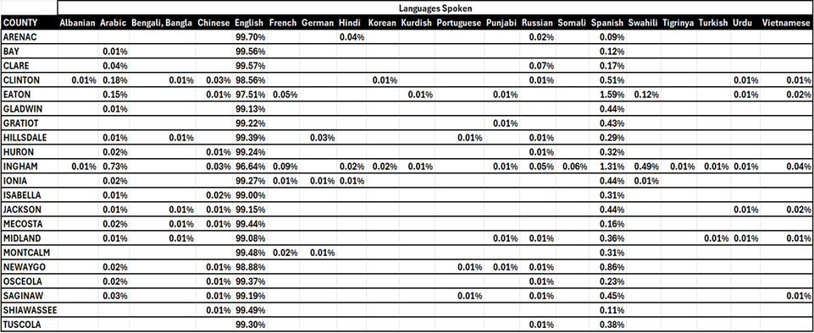
MDHHS Specialty Behavioral Health Network Adequacy Standards PIHP Network Adequacy Reporting Template FY2025 DUE April 30, 2026

Limited English Proficiency The Code of Federal Regulations at 42 CFR Part 438.68(c) and 438.206(b)(1) require that States developing network adequacy standards must consider the ability of network providers to communicate with limited English proficient enrollees in their preferred language. The PIHP must maintain and monitor a network of appropriate providers that is sufficient to provide adequate access to all services covered under contract for all enrollees, including those with limited English proficiency.
Please check the boxes that apply:

In the space below, describe how the PIHP ensures its provider network provides adequate access to enrollees with limited English proficiency and what methods are utilized. Explain the PIHP's monitoring methods and oversight activities of its provider network to ensure compliance with these requirements. Include overview of items checked off above. If an item is not in place, explain.
Mid-State Health Network monitors its Network through a biennial review process that includes a section for LEP. Corrective actions are required for any items "not met". The majority of the CMHSPs and SUD providers in the region are CARF accredited, which requires specific accommodations and accessibility evaluations or plans to ensure services are readily available to individuals with special needs. Interpreters and translators are available at each CMHSP for persons with Limited English Proficiency (individuals who cannot speak, write, read, or understand the English language at a level that permits them to interact effectively with health care providers) as required by Executive Order 13166 "Improving Access to Services for Persons with Limited English Proficiency"). This includes the use of sign interpreters for persons with hearing impairments and audio alternatives for people with vision limitations. Interpreter services, although available across the region in accord with MDHHS standards, are less than adequate for crisis intervention services, where a timely clinical response is critical and wait times for access to an interpreter may delay treatment. The region will monitor the impact of this issue on crisis response capacity. MSHN requires that CMHSPs and SUD Providers ensure accommodations are available as required for individuals accessing services who experience hearing or vision impairments and that such disabilities are addressed in clinical assessments and service plans as requested by the person receiving services. This has been addressed during site reviews by the MSHN audit team. Based on MSHN audits, providers are following these requirements. All materials are available in language(s) appropriate to the people served within the PIHP's area for specific non-English language that is spoken as the primary language by more than 5% of the population in the PIHP’s region. Based on this requirement, materials such as the consumer handbook i

Timely Appointments
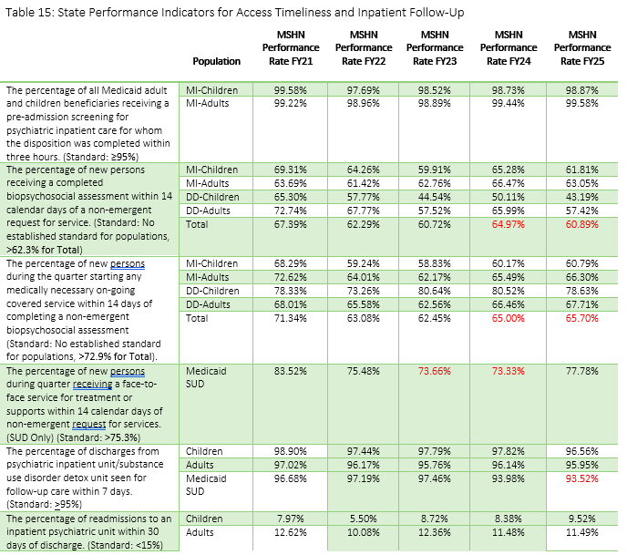
MDHHS Specialty Behavioral Health Network Adequacy Standards PIHP Network Adequacy Reporting Template FY2025 DUE April 30, 2026

Timely Appointments The Code of Federal Regulations at 42 CFR Part 438.68 and 438.206(c)(1) require that the State must ensure that each contract with a PIHP complies with timely access to care and services, taking into account the urgency of the need for services. The PIHP must ensure that providers offer hours of operation that are no less than the hours of operation offered to commercial enrollees or comparable to Medicaid FFS, if the provider serves only Medicaid enrollees. The PIHP must make services included in the contract available 24 hours a day, 7 days a week, when medically necessary.
In the space below, describe how the PIHP complies with timely access to care and services and ensures its provider network offers hours of operation that are no less than hours of operation offered to commercial enrollees or comparable to Medicaid FFS. How does the PIHP ensure services are available 24 hours a day, 7 days a week, when medically necessary? Explain the PIHP's monitoring methods and oversight activities of its provider network to ensure compliance with these requirements.
MDHHS requires PIHPs to report indicators of access timeliness and outcomes. MSHN monitors access to timeliness to treatment throughout the year at a regional level but also at the CMHSP and SUD provider level. For CMSPS falling below the standards, corrective action is required and monitored by the PIHP. Table 15 shows the recent year-to-year performance of the 21-county region. The indicators highlighted in red with the lower percentages is due to not having appointments available due to workforce capacity issues as opposed to lack of providers. MSHN has improved performance for the majority of red indicators since 2022, but is still working towards increasing performance rates. Assurance of hours of operation and availabilty is monitored through the PIHP monitoring and oversight reviews, conducted every two years. The regional handbook includes hours of operation and assurance of urgent/emergency services for CMHSPs within the region and is posted on the websites.

